registration
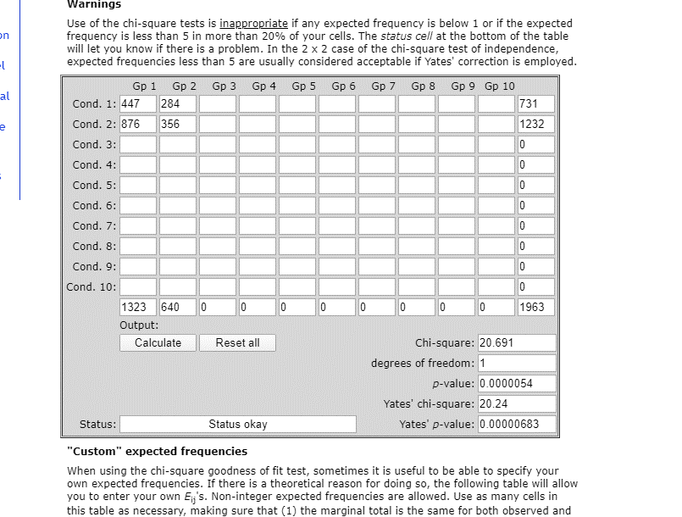
 | Caucasian | African-American
 |  |  |  | Will Wattles study
Register on Web | 447 | 284 | 731 | Do these data show a difference in use of the web to register between black and white students?
Register other method | 876 | 356 | 1232
 | 1323 | 640 | 1963

 |  |  |  | Do these data show a difference in use of the web to register between black and white students? | yes blacks preferred the web
 | Caucasian | African-American |  | What is the obtained statistic? | 20.691
 |  |  |  | What is the P value | 0
Register on Web | 34% | 44%
Register other method | 66% | 56%

