Sheet1
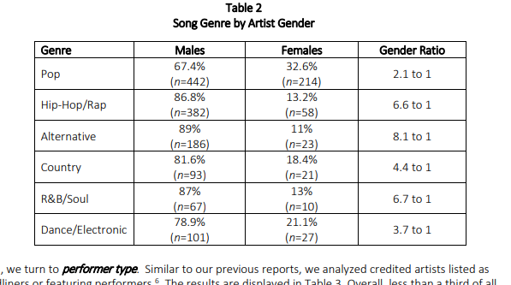
Song Genre by Artist Gender
 | Males | Females | count
Pop | 442 | 214 | 656
Hip-Hop/Rap | 382 | 58 | 440
Alternative | 186 | 23 | 209
Country | 93 | 21 | 114
R&B/Soul | 67 | 10 | 77
Dance/Electronic | 101 | 27 | 128
 | 1271 | 353 | 1624

Song Genre by Artist Gender
 | Males | Females
Pop | 67% | 33% |  | conditional distribution by genre
Hip-Hop/Rap | 87% | 13%
Alternative | 89% | 11%
Country | 82% | 18%
R&B/Soul | 87% | 13%
Dance/Electronic | 79% | 21% |  |  |  | http://assets.uscannenberg.org/docs/aii-inclusion-recording-studio-20200117.pdf

 |  |  |  |  | •What percent of artists are female? |  | 353/1624 | 22%
 |  |  |  |  | •What % of males are alternative? |  | 186/1271 | 15%
Song Genre by Artist Gender |  |  |  |  | •What percent of each genre is female?
 | Males | Females |  |  | Pop |  | 214/656 | 33%
Pop | 35% | 61% |  | conditonal distritbution by gender | Hip-Hop/Rap |  |  | 13%
Hip-Hop/Rap | 30% | 16% |  |  | Alternative |  |  | 11%
Alternative | 15% | 7% |  |  | Country |  |  | 18%
Country | 7% | 6% |  |  | R&B/Soul |  |  | 13%
R&B/Soul | 5% | 3% |  |  | Dance/Electronic |  |  | 21%
Dance/Electronic | 8% | 8% |  |  | •What percent of all songs are R&B women? |  | 10/1624 | 0.6%
 |  |  |  |  | What is the most popular genre
 |  |  |  |  | Pop |  | 656/1624 | 40%
 |  |  |  |  | Hip-Hop/Rap |  |  | 27%
 |  |  |  |  | Alternative |  |  | 13%
 |  |  |  |  | Country |  |  | 7%
 |  |  |  |  | R&B/Soul |  |  | 5%
 |  |  |  |  | Dance/Electronic |  |  | 8%

song data
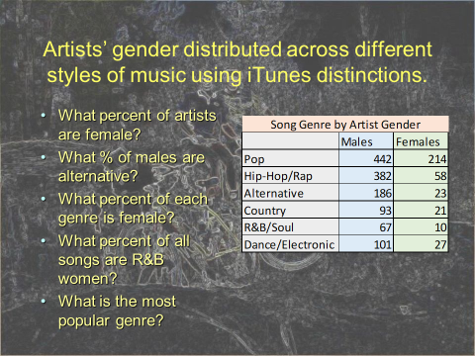
Song Genre by Artist Gender
 | Males | Females |  | most popular
Pop | 442 | 214 | 656 | 40%
Hip-Hop/Rap | 382 | 58 | 440 | 27%
Alternative | 186 | 23 | 209 | 13%
Country | 93 | 21 | 114 | 7%
R&B/Soul | 67 | 10 | 77 | 5%
Dance/Electronic | 101 | 27 | 128 | 8%
 | 1271 | 353 | 1624

Song Genre by Artist Gender
 | Males | Females
Pop | 67% | 33% | conditional by genre
Hip-Hop/Rap | 58% | 9%
Alternative | 28% | 4%
Country | 14% | 3%
R&B/Soul | 10% | 2%
Dance/Electronic | 15% | 4%

Song Genre by Artist Gender
 | Males | Females
Pop | 35% | 61%
Hip-Hop/Rap | 30% | 16% | conditional dist by gender
Alternative | 15% | 7%
Country | 7% | 6%
R&B/Soul | 5% | 3%
Dance/Electronic | 8% | 8%
 |  |  |  |  | females | 21.7%
 |  |  |  |  | males are alternative |  | 15%
 |  |  |  |  | $ of RB | 0.6%

