cats
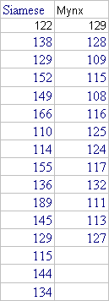
BP | Type
122 | 1
138 | 1
129 | 1
152 | 1
149 | 1
166 | 1
110 | 1
114 | 1
155 | 1
136 | 1
189 | 1
145 | 1
129 | 1
115 | 1
144 | 1
134 | 1
129 | 2
128 | 2
109 | 2
115 | 2
108 | 2
116 | 2
125 | 2
124 | 2
117 | 2
132 | 2
111 | 2
113 | 2
127 | 2

