Nitrites
Nitrite | Control | Amount of amino acid uptake by bacteria
8303 | 6450
8534 | 9011
7688 | 7821
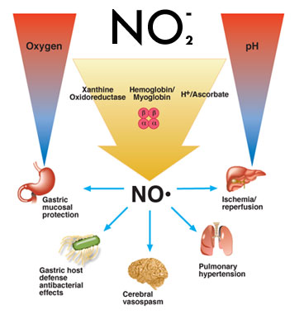
8568 | 6579 | Nitrites added to meat may decrease the rate of amino acid uptake.
8100 | 8066
8040 | 6679 | Do nitrites decreas amino acid uptake?
5589 | 9032
6529 | 7061
8106 | 8368
7901 | 7238
8252 | 8709
10227 | 9036
6811 | 9996
7708 | 10333
6281 | 7408
9489 | 8621
9460 | 7128
6201 | 8128
4972 | 8516
8226 | 8830
6594 | 9361
6642 | 8195
8766 | 8202
9893 | 7859
7689 | 7885
7360 | 7688
8874 | 5593
7605 | 7150
7259 | 8100
8552 | 9145

perch
observation | weight | length | width | Fish with measurements of weight, length and height
104 | 5.9 | 8.8 | 1.4
105 | 32 | 14.7 | 2
106 | 40 | 16 | 2.4 | Is this a statistically significant relationship between width and length?
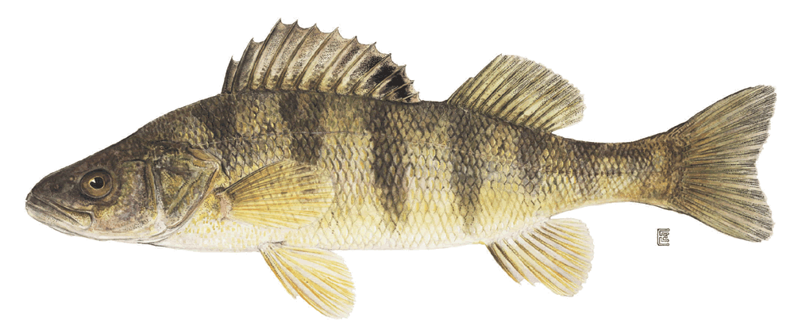
107 | 51.5 | 17.2 | 2.6
108 | 70 | 18.5 | 2.9
109 | 100 | 19.2 | 3.3
110 | 78 | 19.4 | 3.1
111 | 80 | 20.2 | 3.1
112 | 85 | 20.8 | 3
113 | 85 | 21 | 2.8
114 | 110 | 22.5 | 3.6
115 | 115 | 22.5 | 3.3
116 | 125 | 22.5 | 3.7
117 | 130 | 22.8 | 3.5
118 | 120 | 23.5 | 3.4
119 | 120 | 23.5 | 3.5
120 | 130 | 23.5 | 3.5
121 | 135 | 23.5 | 3.5
122 | 110 | 23.5 | 4
123 | 130 | 24 | 3.6
124 | 150 | 24 | 3.6
125 | 145 | 24.2 | 3.6
126 | 150 | 24.5 | 3.6
127 | 170 | 25 | 3.7
128 | 225 | 25.5 | 3.7
129 | 145 | 25.5 | 3.8
130 | 188 | 26.2 | 4.2
131 | 180 | 26.5 | 3.7
132 | 197 | 27 | 4.2
133 | 218 | 28 | 4.1
134 | 300 | 28.7 | 5.1
135 | 260 | 28.9 | 4.3
136 | 265 | 28.9 | 4.3
137 | 250 | 28.9 | 4.6
138 | 250 | 29.4 | 4.2
139 | 300 | 30.1 | 4.6
140 | 320 | 31.6 | 4.8
141 | 514 | 34 | 6
142 | 556 | 36.5 | 6.4
143 | 840 | 37.3 | 7.8
144 | 685 | 39 | 6.9
145 | 700 | 38.3 | 6.7
146 | 700 | 39.4 | 6.3
147 | 690 | 39.3 | 6.4
148 | 900 | 41.4 | 7.5
149 | 650 | 41.4 | 6
150 | 820 | 41.3 | 7.4
151 | 850 | 42.3 | 7.1
152 | 900 | 42.5 | 7.2
153 | 1015 | 42.4 | 7.5
154 | 820 | 42.5 | 6.6
155 | 1100 | 44.6 | 6.9
156 | 1000 | 45.2 | 7.3
157 | 1100 | 45.5 | 7.4
158 | 1000 | 46 | 8.1
159 | 1000 | 46.6 | 7.6

secondhand
Number of people who report shopping in secondhand stores by gender and city.

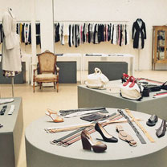
 | Fayetteville | Florence | total
Men | 38 | 68 | 106
Women | 203 | 150 | 353
total | 241 | 218 | 459

IQ scores
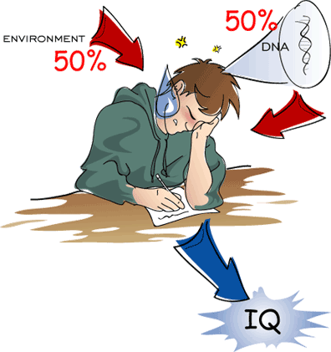
male | female
111 | 114 | Do boys and girls differ in their IQ scores?
107 | 100
100 | 104
107 | 89
115 | 102
111 | 91
97 | 114
112 | 114
104 | 103
106 | 105
113 | 108
109 | 130
113 | 120
128 | 132
128 | 111
118 | 128
113 | 118
124 | 119
127 | 86
136 | 72
106 | 111
123 | 103
124 | 74
126 | 112
116 | 107
127 | 103
119 | 98
97 | 96
102 | 112
110 | 112
120 | 93
103
115
93
123
79
119
110
110
107
105
105
110
77
90
114
106

pasture
Year | Treatment 1 | Treatment 2 | Average yield in pounds of dry matter per year.
1 | 3902 | 3970 | Yields vary per year so to reduce error variance they try the experiment over several years.
2 | 4281 | 4271
3 | 5135 | 5440 | Does Treatment 2 lead to higher average yields of dry matter?
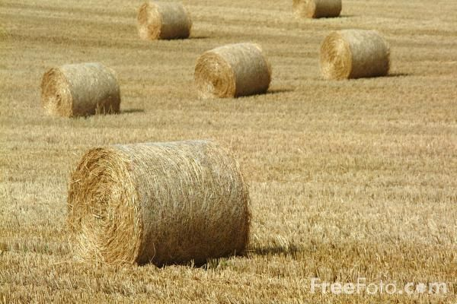
4 | 5350 | 5490
5 | 5746 | 6028

active learning
Active | Passive | Ability to learn symbols in two situations.
29 | 16 | Score is number correct out of 56
28 | 14 | Is there good eveidence that active learning is superior to passive learning?
24 | 17

31 | 15
15 | 26
24 | 17
27 | 12
23 | 25
20 | 21
22 | 20
23 | 18
21 | 21
24 | 20
35 | 16
21 | 18
24 | 15
44 | 26
28 | 15
17 | 13
21 | 17
21 | 21
20 | 19
28 | 15
16 | 12

