ex14-51.dat
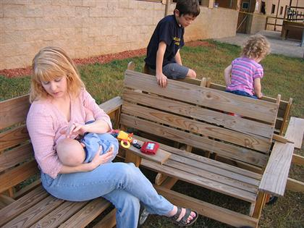
 | % Change
Mother1 | -8.3
Mother2 | -7.8
Mother3 | -7 |  | bin | Frequency
Mother4 | -6.8 |  | -8 | 1
Mother5 | -6.8 |  | -7 | 2
Mother6 | -6.5 |  | -6 | 5
Mother7 | -6.5 |  | -5 | 8
Mother8 | -6.2 |  | -4 | 7
Mother9 | -5.9 |  | -3 | 5
Mother10 | -5.7 |  | -2 | 9
Mother11 | -5.6 |  | -1 | 3
Mother12 | -5.3 |  | 0 | 2
Mother13 | -5.3 |  | 1 | 3
Mother14 | -5.2 |  | 2 | 1
Mother15 | -5.2 | Bone loss by nursing mothers. | More | 1
Mother16 | -5.1
Mother17 | -4.9 | Researchers measured percent change in mineral content
Mother18 | -4.9 | during nursing.
Mother19 | -4.7
Mother20 | -4.7 | Assuming the population standard deviation (σ) is known and is 2.5%
Mother21 | -4.4 | create a 99% confidnece interval to estimate the mean percent change in the population.
Mother22 | -4.3
Mother23 | -4
Mother24 | -3.8
Mother25 | -3.6
Mother26 | -3.3
Mother27 | -3.1
Mother28 | -3
Mother29 | -2.7
Mother30 | -2.5
Mother31 | -2.5
Mother32 | -2.3
Mother33 | -2.2
Mother34 | -2.2
Mother35 | -2.1
Mother36 | -2.1
Mother37 | -2
Mother38 | -1.8
Mother39 | -1
Mother40 | -1
Mother41 | -0.8
Mother42 | -0.3
Mother43 | 0.2
Mother44 | 0.3
Mother45 | 0.4
Mother46 | 1.7
Mother47 | 2.2

mean | -3.5872340426

